Project_Plan
MS# | Milestone | What You Will Do | Days | Duration | Planned_St_Dt | Planned_End_Dt | Status | Comments
1 | Setup & Understanding | Create API accounts, set up Google Colab, read about thinking vs instruct models, watch 2–3 YouTube explainers on how LLMs work | Day 1–3 | 3 Days | 18-Mar-26 | 20-Mar-26 | Completed | a) qwen/qwen3-32b GPT OSS 120 B b) Open Ai O3 mini --======== c) Llama-3.1 8B Instruct d) Llama-3.3 70B versatile --- > API accounts creation completed > Google Colab set up completed | 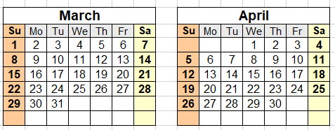
2 | Learn the Models | Manually chat with each model in the browser (no coding yet); ask the same 10 questions to all 4 models; note differences in style and depth of response | Day 4–7 | 4 Days | 21-Mar-26 | 24-Mar-26 | Completed
3 | Build Your Test Script | Write a simple Python script in Colab that sends a question to each model via API and saves the response | Day 8–12 | 5 Days | 25-Mar-26 | 29-Mar-26 | Completed
4 | Run Math Task Tests | Send 50 GSM8K questions to all 4 models using your script; record answers, accuracy, and time; fill in your Excel scorecard | Day 13–16 | 4 Days | 30-Mar-26 | 2-Apr-26 | Completed
5 | Run Coding Task Tests | Send 25 HumanEval problems to all 4 models; manually check if the code runs; score each response | Day 17–20 | 4 Days | 3-Apr-26 | 6-Apr-26 | Completed
6 | Run Q&A Task Tests | Send 50 general knowledge questions; score accuracy and clarity; read reasoning traces from thinking models and summarise observations | Day 21–23 | 3 Days | 7-Apr-26 | 9-Apr-26 | Completed
7 | Analysis & Charts | Calculate final accuracy percentages; create bar charts comparing models; write a short summary of which model performed best on each task | Day 24–27 | 4 Days | 10-Apr-26 | 13-Apr-26 | Completed
8 | Report & Presentation | Write your final report (2–4 pages); prepare a 10-slide presentation; include your recommendation on when to use each model type | Day 28–30 | 3 Days | 14-Apr-26 | 16-Apr-26 | In progress

 | Google - Meet Link for Group 1 | https://meet.google.com/edw-zhwd-wwo

Scorecard
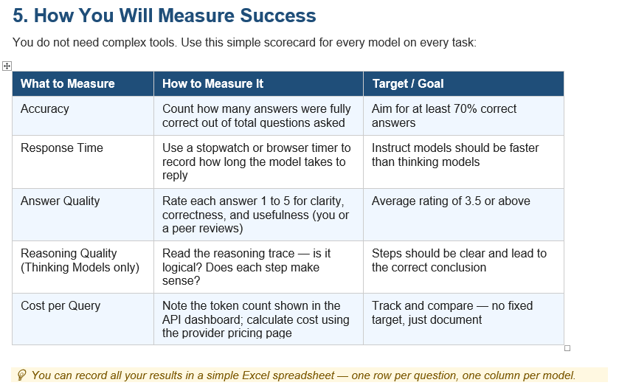
# | Task Measure | Model # Think 1 | Model # Think 2 | Model # Instruct 1 | Model # Instruct 2 | Comments
1 | Accuracy
2 | Response_Time
3 | Answer Quality
4 | Reasoning Quality (Thinking Models only)
5 | Cost per Query

